Foglio1
Crops |  |  |  |  | Indoor farming methods
Plants | Spacing | Comments | Net pots | Height | Name | Description | Equipment | Image
Lettuce | 15cm (small) 30(big heads) |  | 5 cm usually. Big head lettuce 8-10cm. | 30 cm | Nutrient Film Technique (NFT) | The roots of the plants are submerged into a thin film of nutrients. The oxigenated water is stored in a nearby tank and distributed into the channels (in which the plants are); at the and of them the solution goes back in the tank. It is low waste and roots are not suffocated; however it is subjected to root clogging and pump failure can cause big . Moreover the nutrient and air distribution is uneaven | Reservoir, channels and net pods , Water and air pump, controls | 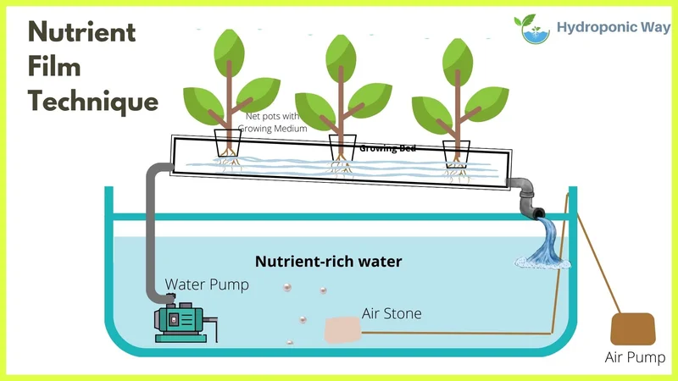
Spinach | 15cm-20cm |  | 5 cm | 20-30 cm | Deep Water Culture (DWC) | Reservoir filled with nutrient water. Plants are suspended over it with with net pods. It is very easy to set up and mantain but it is difficult to regulate the nutrient solution | Reservoir,air pump and net pods | 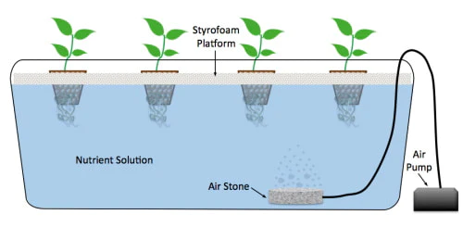
Kale | 15cm-20cm(baby), 25cm-30cm(mature) |  | 5 cm | 30-60cm | Deep Flow Technique (DFT) | It is an hybrid between NFT e DWC. It is less susceptible to pump failure but it is larger and less stackable. | Two reservoirs, air and water pumps, net pods. | 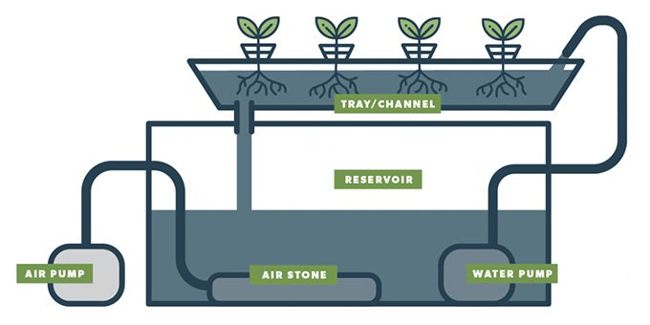
Basil | 25cm-30cm (full grown) |  | 5cm | 30-60cm | Ebb-and-Flow | Plants are put into a tray which is periodically flooded by water solution and then drained. It requres a lot of attention and control but does not expose plants to water continously | Reservoir,tray,water and air pump. | 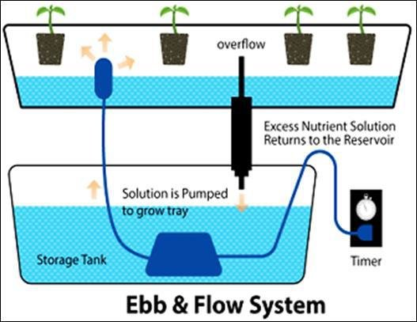
Squash | 60cm-90cm | Usually with dutch buckets, requires pollinating and pruning. However also DWC is possible. | 10-14cm | 30-90 | Drip system | Similar to NFT but nutrient water is dripped on the plants. It isvery precise in the delivery and control of nutrients but it is omplex and needs a lot of control | Reservoir, channels and net pods , Water pump, controls | 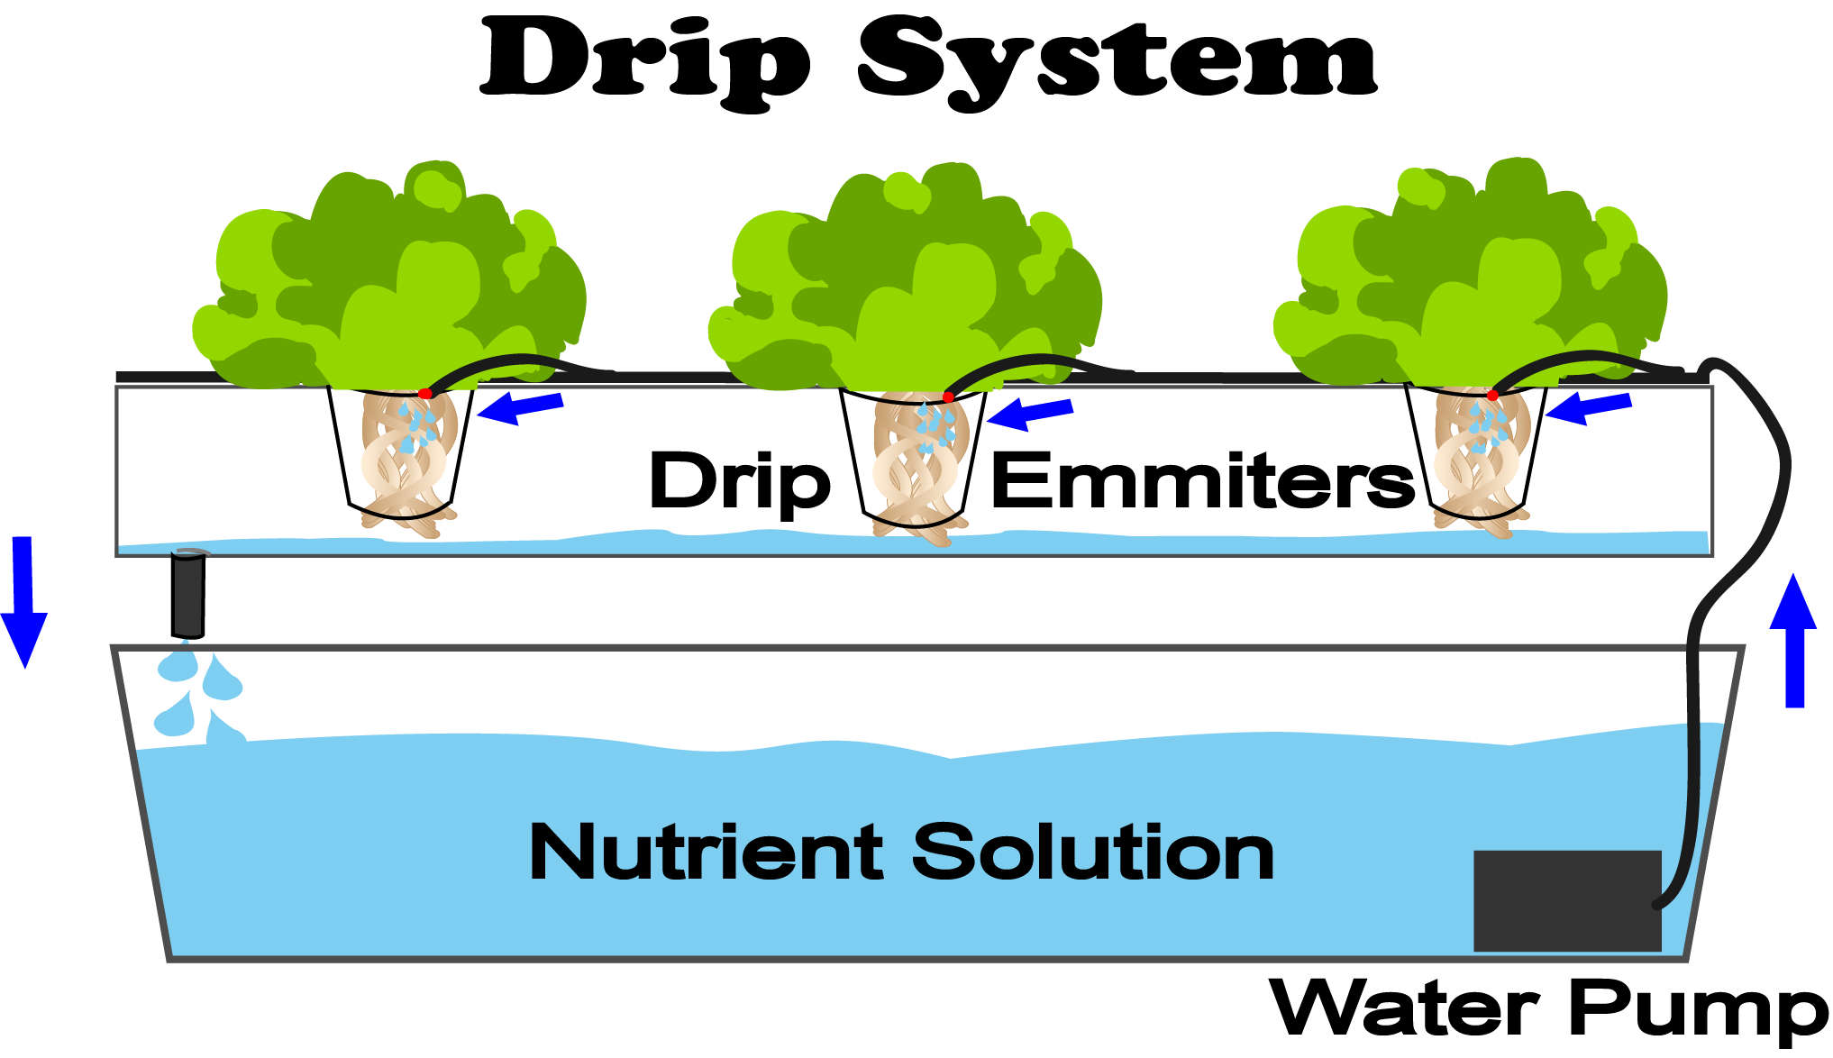
Chives | 10cm-15cm |  | 5 cm or smaller | 30-45cm | Dutch buckets | It is a type of drip system but it is made for bigger plants with deep roots. It takes a lot of space | Reservoirs,pots, water pump | 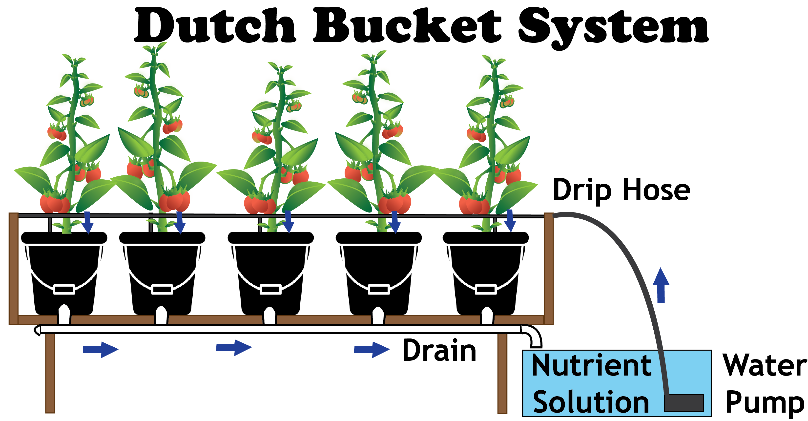
Coriander | 15cm |  | 5 cm | 30-40cm | Aeroponics | Nurients are sprayed directly onto the roots by nozzles. It is one of the most efficient and effective system but it is also the most expensive. Moreover is weak to failures. | Reservoir, air pump, water pump, nozzles, trays and control | 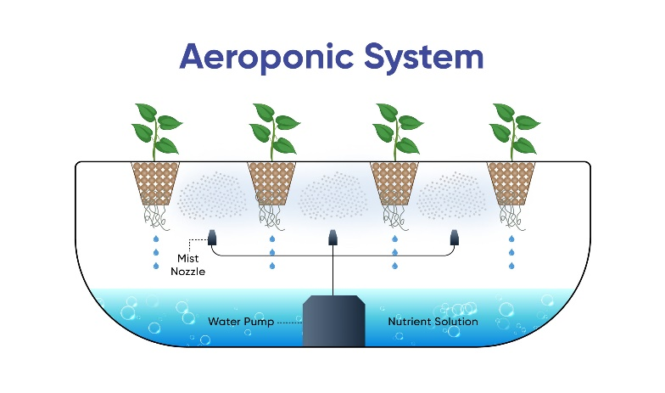
Tomato | 50cm-60cm | Similar to squash | 10-14 cm | 90-120cm | Wick system | A wick is used as a bridge between the pant and the water resevoir. It is a passive system so it is easy to set up and mantain. However the system is not controllable | Reservoir, tray, wick, air pump | 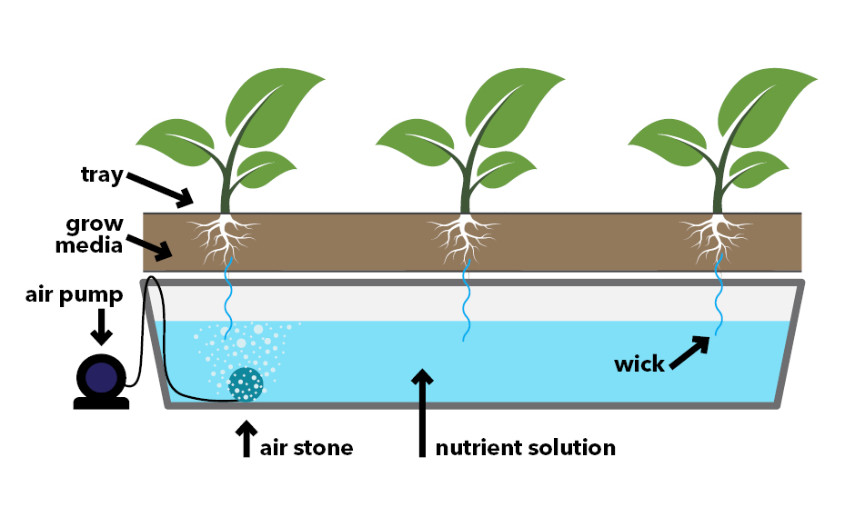
Cucumbers | 30cm-70cm | Difficult to grow inside, if pruned and trained constantly DWC is possible | 14cm | 180-243cm
Strawberries | 10cm-15cm |  | 5 cm | 15-20cm
Hop |  | Similar to squash cucumbers and tomatoes but it requires more care and space
Pepper | 20cm for smaller spieces up to 60cm for bell peppers | You have to prune and help pollinate | 10cm | Depends a lot from the species: for small ones: hot peppers 30cm to 120cm; bell peppers form 90cm to 120cm | Lights: LED, fluorescent (for germination), MH (metal halide), and HPS (high-pressure sodium).
Cabbage | 45cm |  |  | 10-15cm
 | 15cm |  | 5cm | 20-60cm
Celery (sedano) | 5-8cm | Have deep space for roots |  | 30-45cm
Broccoli | 25-30cm | NFT is not suitable |  | 70cm
Eggplants | 40-50cm | DWC or dutch buckets are suggested but NFT is possible too. Requires pruning and pollination. |  | 30-75cm | Espacenet

Robotic platforms |  |  |  |  | Hydroponic S.o.A.
Paper | Description | Plant |  |  | Title | Summary
Automated Crop Harvesting, Growth Monitoring and Disease Detection System for Vertical Farming Greenhouse | Navigation: on x and y rails (like in CNC), two cameras to evaluate the distance to the objective. Plant detection: the same two cameras used map the x-y-z position of the plants using different photo angles. Pick-up system: high d.o.f. end effector to increase the ability of creepeng through the cluster of leaves; reduced bulkiness for minimum impact with the plant. Grow phase recognition system: mainly based on detecting the outline of the plant and evaluating the color. | Lettuce |  |  | A REVIEW ON PLANT WITHOUT SOIL - HYDROPONICS | The paper describes the various types of soiless techniques (hydroponic and media culture). Then it talks about the nutrients needed, the amount of water and the types of crops. It concludes with advantages and disadvantages of soiless.
Design and Simulations of a Self-Assembling Autonomous Vertical Farm for Urban Farming | Four dof serial robot (3 segments + EF) that is positioned in the center of four trays. It is also capable of moving up and down between staced trays. It is espected to plant, harvest, monitor, and fertilize the plant. From the picture it seems that the spacing between the layers is 50 cm. The paper is only a concept and no actual prototype exists. | Not specified |  |  | A review on hydroponic greenhouse cultivation for sustainable agriculture | Devides hydroponic in static and flow. Then it goes over the crop types. Various requirements are discussed with their effect (temperature,light,CO2, humidity,...). Finally it discusses the problemes and limitations of hydroponics.
Implementation of Inverse Kinematics for Crop-Harvesting Robotic Arm in Vertical Farming | Usage of a Universal Robot (UR3) with 6 dofs: a standard gripper is used even though softer ones are mentioned as improvement. The robot is actuated through inverse kinematics setting some waypoints. The system is tested with a prop wall with pencils in it to pick up. | Not specified |  |  | Hydroponics: current and future state of the art in farming | It starts with a description of the most important parameters in a hydroponic cultivation (temperature,nutrients,light,...). Then it goes through a description of the various types of hydroponics and acquaponics. Then it describes how to introduce electronics and automations in these kind of cultivations. It describes pros and cons citing some real life applications.
Development of Racking and Irrigation System for Industrial Revolution 4.0 Vertical Farming | Design of a racking system with an AGV inbetween for data collecting, observation and retreiving. Each tray is 64x74 cm with a height between racks of 1.3m. No data about the actual robot is present | Not specified |  |  | A Review on Hydroponics and the Technologies Associated for Medium- and Small-Scale Operations | Similar as before: it goes in depth on the kind of hydroponic systems and the crops that are most suited for each, as well as a review of the substrates. It discusses about the nutrient solution and the pros and cons. At the end it describes the technologies that are most suited for a medium and small system in terms of yeld and cost.
Towards the Development of a Task Oriented Robotic Assistance in Vertical Farming | The robot is a 4 dof serial robot (Mico 4 form Knova) mounted on a scissor lift (mounted itself to a rail). The designed task is to transplant seedlings form a sprouting tray to the actual hydroponic system: the end effector is a set of four needle type fingers that can mve outwards; the gripper has to grasp the seedling from underneath and then transplant it. The motion of the robot is done with inverse kinematics and uses a collision avoiding algorithm present in ROS (Open Motion Planning library). From the images the trays seems to be spaced 50-80 cm from each other in height. | Not specified
Design and Analysis of Photovoltaic Powered Battery-Operated Computer Vision-Based Multi-Purpose Smart Farming Robot | This robot is used in non vertical farm but it is useful to analyze. It is a mobile robot on wheels that is used for giving water and pesticide. It moves around and finds its targets following RIFD tags. It has a moisture sensor to see if the plant needs watering or not, it has a movable camer (up and down) used to recognize eventual pests on the plant, and a spray nozzle connected to a water and pesticide tank. The dimensions are pretty big (shopping cart like ). | Papaya plants
Robotic implementation to automate a vertical farm system | Automate the harvesting and planting of crops in a vertical indoor farm (in which the crop growing part is already automated). The position and the color of the crop in each pod is checked trough a camera which is capable of taking combined stereo images. A three-axis manipulator (like a 3d printer ) with a gripper EE (ROBOTIQ 2-finger grippers) is used to harvest or plant the crops: the robot runs two algorithms, one is responsible for harvesting and the other for planting. The first one basically checks if there is a plant is in a pod or if the plant is ready to be harvested and if so makes the robot pick it up. The second one plants new seeds in pods which have been flagged empty by the previous algorithm. The two algorithms are also capable of identifying dead plants and inform the human if a certain pod has an high tenedency of making plant die: this allows to check eventual problems in it. | Not specified
Location-Based Intelligent Robot Management Service Model Using RGPSi with AoA for Vertical Farm | This robot is a mobile one that moves around using a RGPSi system with AoA algorithm: it is a beacon based system that allows to triangulate the position of the target and than plan a path for the robot. The robot is used soly for monitoring purpuses: it is a tool used by an higher system to verify some parameters of the plants on demand in a more precise way and then act using some actuators. | Not specified
Design and development of soft robotic hand for vertical farming in spacecraft | This design is made for space applications: it is a 10 dof soft robot with the sape of an hand that is controlled through a glove (so actually it is a collaborative robot). It is a little out of our scope but the soft human hand design could serve as an inspiration. | Not specified
Autonomous Mobile Robot with Attached Multispectral Camera to Monitor the Development of Crops and Detect Nutrient and Water Deficiencies in Vertical Farms | The paper is about multispectral analysis of a plant to capture some information like hydrataion and grow phase. However the most interesting aspect of it is the use of the robot Watney by Seasony: it is an autnomous robot capable of monitoring crops in a vertical farming environment. The dimensions are a bit big. | Basil

